Data & Regressions
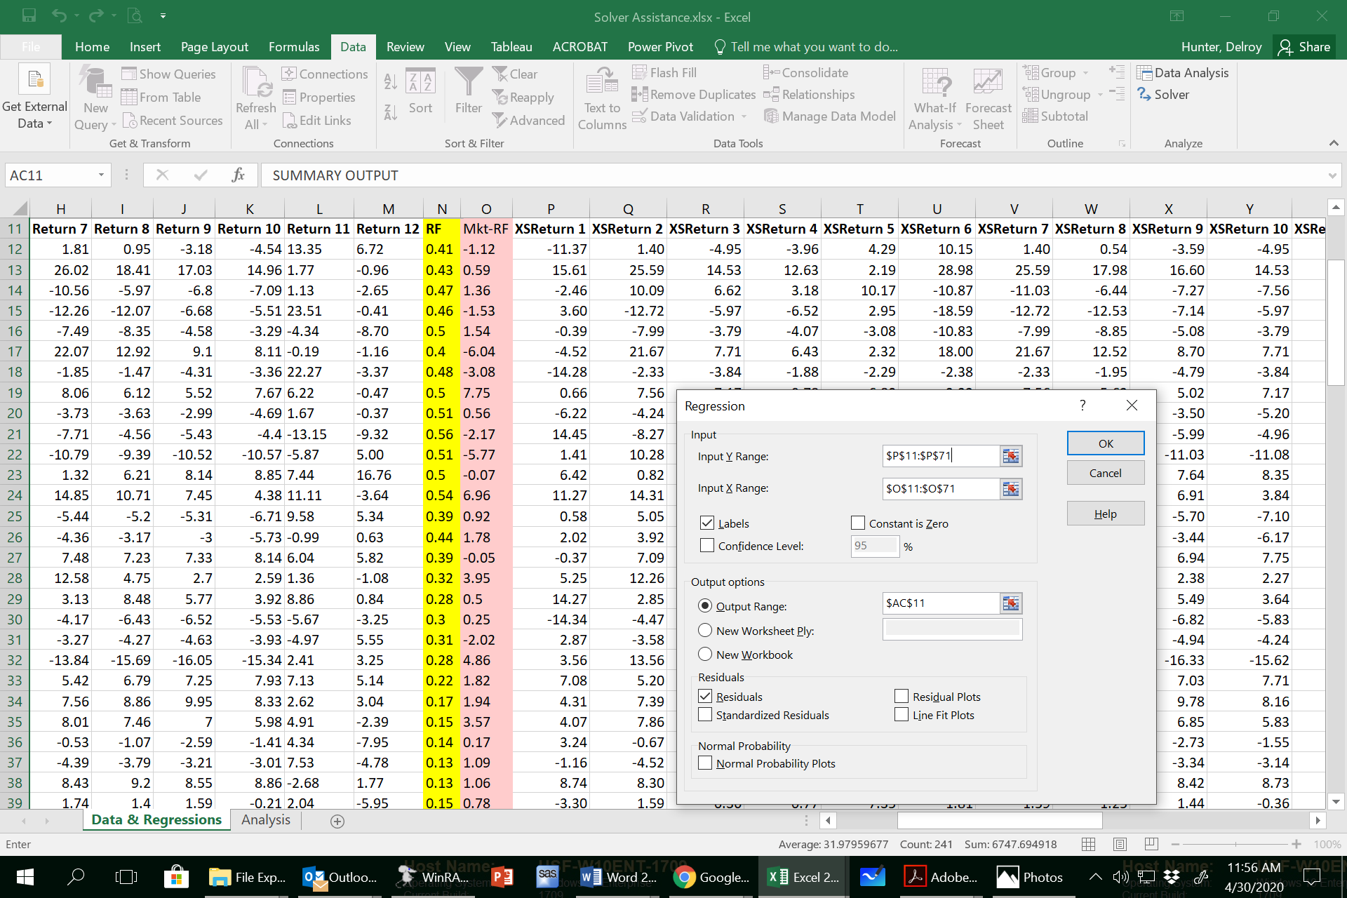
Below is a fully worked and explained regression using Excel .
The data is also used in "Solver Analyses" to execute the portfolio optimization.

For better presentation I am placing all the data needed in one tab (Data & Regressions) and the analyses in a second tab (Solver Analyses). 1. If you right click on the name of the tab and use "rename" you can change the name of a tab from the default name "sheet." 2. In the second tab, you can refrence a cell in the first by starting with, e.g., "Data & Regression!" followed by the cell reference. 3. The regressions can be done and placed by each other as I do on this tab (for three of the assets I use). 4. Each firm's beta is highlighted in the regression and placed in a row below the returns for easy reference. I also computed the Adjusted Beta of each firm (see next text box). You will need to copy the betas to the Analysis tab (see instruction on the latter tab. You can use either your estimated beta or the adjusted.) 5. To do the covariance matrix you need the average return for each stock (those are placed at bottom of the returns and can be easily referenced in the Analysis tab.
To estimate the betas you need to get the excess returns (i.e., the 'raw' returns minus Rf, labeled as XSReturn below) for each stock and the market index. 1. Do the excess returns. 2. Follow the instructions on the 'Estimating Regression' tab to estimate each beta. 3. Copy the beta for each regression and place it below the 'raw' returns for easy copying to the Analysis tab. 4. Compute the Adjusted Beta [= 2/3*estimated beta + 1/3*1 (note that 1 is the market beta)] if you want to use those instead (which helps to avoid the use of estimated betas that are negative for the estimation of your expected return on the stock).
==> Look below the data for the two screenshots of the regression estimation.

Date | Return 1 | Return 2 | Return 3 | Return 4 | Return 5 | Return 6 | Return 7 | Return 8 | Return 9 | Return 10 | Return 11 | Return 12 | RF | Mkt-RF | XSReturn 1 | XSReturn 2 | XSReturn 3 | XSReturn 4 | XSReturn 5 | XSReturn 6 | XSReturn 7 | XSReturn 8 | XSReturn 9 | XSReturn 10 | XSReturn 11 | XSReturn 12 | SUMMARY OUTPUT
200001 | -10.96 | 1.81 | -4.54 | -3.55 | 4.7 | 10.56 | 1.81 | 0.95 | -3.18 | -4.54 | 13.35 | 6.72 | 0.41 | -1.12 | -11.37 | 1.40 | -4.95 | -3.96 | 4.29 | 10.15 | 1.40 | 0.54 | -3.59 | -4.95 | 12.94 | 6.31
200002 | 16.04 | 26.02 | 14.96 | 13.06 | 2.62 | 29.41 | 26.02 | 18.41 | 17.03 | 14.96 | 1.77 | -0.96 | 0.43 | 0.59 | 15.61 | 25.59 | 14.53 | 12.63 | 2.19 | 28.98 | 25.59 | 17.98 | 16.60 | 14.53 | 1.34 | -1.39 | Regression Statistics
200003 | -1.99 | 10.56 | 7.09 | 3.65 | 10.64 | -10.4 | -10.56 | -5.97 | -6.8 | -7.09 | 1.13 | -2.65 | 0.47 | 1.36 | -2.46 | 10.09 | 6.62 | 3.18 | 10.17 | -10.87 | -11.03 | -6.44 | -7.27 | -7.56 | 0.66 | -3.12 | Multiple R | 0.1439
200004 | 4.06 | -12.26 | -5.51 | -6.06 | 3.41 | -18.13 | -12.26 | -12.07 | -6.68 | -5.51 | 23.51 | -0.41 | 0.46 | -1.53 | 3.60 | -12.72 | -5.97 | -6.52 | 2.95 | -18.59 | -12.72 | -12.53 | -7.14 | -5.97 | 23.05 | -0.87 | R Square | 0.0207
200005 | 0.11 | -7.49 | -3.29 | -3.57 | -2.58 | -10.33 | -7.49 | -8.35 | -4.58 | -3.29 | -4.34 | -8.70 | 0.5 | 1.54 | -0.39 | -7.99 | -3.79 | -4.07 | -3.08 | -10.83 | -7.99 | -8.85 | -5.08 | -3.79 | -4.84 | -9.20 | Adjusted R Square | 0.0038
200006 | -4.12 | 22.07 | 8.11 | 6.83 | 2.72 | 18.4 | 22.07 | 12.92 | 9.1 | 8.11 | -0.19 | -1.16 | 0.4 | -6.04 | -4.52 | 21.67 | 7.71 | 6.43 | 2.32 | 18.00 | 21.67 | 12.52 | 8.70 | 7.71 | -0.59 | -1.56 | Standard Error | 6.1495
200007 | -13.80 | -1.85 | -3.36 | -1.4 | -1.81 | -1.9 | -1.85 | -1.47 | -4.31 | -3.36 | 22.27 | -3.37 | 0.48 | -3.08 | -14.28 | -2.33 | -3.84 | -1.88 | -2.29 | -2.38 | -2.33 | -1.95 | -4.79 | -3.84 | 21.79 | -3.85 | Observations | 60
200008 | 1.16 | 8.06 | 7.67 | 10.28 | 7.3 | 3.82 | 8.06 | 6.12 | 5.52 | 7.67 | 6.22 | -0.47 | 0.5 | 7.75 | 0.66 | 7.56 | 7.17 | 9.78 | 6.80 | 3.32 | 7.56 | 5.62 | 5.02 | 7.17 | 5.72 | -0.97
200009 | -5.71 | -3.73 | -4.69 | -4.65 | 5.51 | -3.3 | -3.73 | -3.63 | -2.99 | -4.69 | 1.67 | -0.37 | 0.51 | 0.56 | -6.22 | -4.24 | -5.20 | -5.16 | 5.00 | -3.81 | -4.24 | -4.14 | -3.50 | -5.20 | 1.16 | -0.88 | ANOVA
200010 | 15.01 | -7.71 | -4.4 | -2.48 | -1.57 | -7.31 | -7.71 | -4.56 | -5.43 | -4.4 | -13.15 | -9.32 | 0.56 | -2.17 | 14.45 | -8.27 | -4.96 | -3.04 | -2.13 | -7.87 | -8.27 | -5.12 | -5.99 | -4.96 | -13.71 | -9.88 |  | df | SS | MS | F | Significance F
200011 | 1.92 | 10.79 | 10.57 | 9.9 | 9.8 | -9.18 | -10.79 | -9.39 | -10.52 | -10.57 | -5.87 | 5.00 | 0.51 | -5.77 | 1.41 | 10.28 | 10.06 | 9.39 | 9.29 | -9.69 | -11.30 | -9.90 | -11.03 | -11.08 | -6.38 | 4.49 | Regression | 1 | 46.397704508 | 46.397704508 | 1.2269108728 | 0.27258113665
200012 | 6.92 | 1.32 | 8.85 | 7.49 | -0.23 | -2.39 | 1.32 | 6.21 | 8.14 | 8.85 | 7.44 | 16.76 | 0.5 | -0.07 | 6.42 | 0.82 | 8.35 | 6.99 | -0.73 | -2.89 | 0.82 | 5.71 | 7.64 | 8.35 | 6.94 | 16.26 | Residual | 58 | 2193.3678486 | 37.816687044
200101 | 11.81 | 14.85 | 4.38 | 3.81 | 3.24 | 17.74 | 14.85 | 10.71 | 7.45 | 4.38 | 11.11 | -3.64 | 0.54 | 6.96 | 11.27 | 14.31 | 3.84 | 3.27 | 2.70 | 17.20 | 14.31 | 10.17 | 6.91 | 3.84 | 10.57 | -4.18 | Total | 59 | 2239.7655531
200102 | 0.97 | 5.44 | 6.71 | 7.73 | 10.62 | -3.24 | -5.44 | -5.2 | -5.31 | -6.71 | 9.58 | 5.34 | 0.39 | 0.92 | 0.58 | 5.05 | 6.32 | 7.34 | 10.23 | -3.63 | -5.83 | -5.59 | -5.70 | -7.10 | 9.19 | 4.95
200103 | 2.46 | 4.36 | 5.73 | 4.9 | 7.38 | -1.13 | -4.36 | -3.17 | -3 | -5.73 | -0.99 | 0.63 | 0.44 | 1.78 | 2.02 | 3.92 | 5.29 | 4.46 | 6.94 | -1.57 | -4.80 | -3.61 | -3.44 | -6.17 | -1.43 | 0.19 |  | Coefficients | Standard Error | t Stat | P-value | Lower 95% | Upper 95% | Lower 95.0% | Upper 95.0%
200104 | 0.02 | 7.48 | 8.14 | 10.6 | 7.99 | 2.9 | 7.48 | 7.23 | 7.33 | 8.14 | 6.04 | 5.82 | 0.39 | -0.05 | -0.37 | 7.09 | 7.75 | 10.21 | 7.60 | 2.51 | 7.09 | 6.84 | 6.94 | 7.75 | 5.65 | 5.43 | Intercept [Alpha] | 2.3305530563 | 0.80844598882 | 2.8827566573 | 0.0055208473637 | 0.71227258551 | 3.9488335271 | 0.71227258551 | 3.9488335271
200105 | 5.57 | 12.58 | 2.59 | 3.19 | 0.22 | 8.91 | 12.58 | 4.75 | 2.7 | 2.59 | 1.36 | -1.08 | 0.32 | 3.95 | 5.25 | 12.26 | 2.27 | 2.87 | -0.10 | 8.59 | 12.26 | 4.43 | 2.38 | 2.27 | 1.04 | -1.40 | Mkt-RF [Beta] | 0.24105722442 | 0.21762743536 | 1.107660089 | 0.27258113665 | -0.19457141796 | 0.6766858668 | -0.19457141796 | 0.6766858668
200106 | 14.55 | 3.13 | 3.92 | -0.58 | -2.43 | 2.04 | 3.13 | 8.48 | 5.77 | 3.92 | 8.86 | 0.84 | 0.28 | 0.5 | 14.27 | 2.85 | 3.64 | -0.86 | -2.71 | 1.76 | 2.85 | 8.20 | 5.49 | 3.64 | 8.58 | 0.56 | Adjusted beta | 0.49403814961
200107 | -14.04 | -4.17 | 5.53 | -2.99 | -0.91 | -0.72 | -4.17 | -6.43 | -6.52 | -5.53 | -5.67 | -3.25 | 0.3 | 0.25 | -14.34 | -4.47 | 5.23 | -3.29 | -1.21 | -1.02 | -4.47 | -6.73 | -6.82 | -5.83 | -5.97 | -3.55
200108 | 3.18 | -3.27 | -3.93 | -5.5 | 6.77 | -3.08 | -3.27 | -4.27 | -4.63 | -3.93 | -4.97 | 5.55 | 0.31 | -2.02 | 2.87 | -3.58 | -4.24 | -5.81 | 6.46 | -3.39 | -3.58 | -4.58 | -4.94 | -4.24 | -5.28 | 5.24
200109 | 3.84 | 13.84 | 15.384 | 14.66 | 7.11 | -11.06 | -13.84 | -15.69 | -16.05 | -15.34 | 2.41 | 3.25 | 0.28 | 4.86 | 3.56 | 13.56 | 15.10 | 14.38 | 6.83 | -11.34 | -14.12 | -15.97 | -16.33 | -15.62 | 2.13 | 2.97 | RESIDUAL OUTPUT
200110 | 7.30 | 5.42 | 7.93 | 4.72 | 1.7 | 6.71 | 5.42 | 6.79 | 7.25 | 7.93 | 7.13 | 5.14 | 0.22 | 1.82 | 7.08 | 5.20 | 7.71 | 4.50 | 1.48 | 6.49 | 5.20 | 6.57 | 7.03 | 7.71 | 6.91 | 4.92
200111 | 4.48 | 7.56 | 8.33 | 10.04 | 7.77 | 5.74 | 7.56 | 8.86 | 9.95 | 8.33 | 2.62 | 3.04 | 0.17 | 1.94 | 4.31 | 7.39 | 8.16 | 9.87 | 7.60 | 5.57 | 7.39 | 8.69 | 9.78 | 8.16 | 2.45 | 2.87 | Observation | Predicted XSReturn 1 | Residuals
200112 | 4.22 | 8.01 | 5.98 | 4.33 | 0.4 | 6.66 | 8.01 | 7.46 | 7 | 5.98 | 4.91 | -2.39 | 0.15 | 3.57 | 4.07 | 7.86 | 5.83 | 4.18 | 0.25 | 6.51 | 7.86 | 7.31 | 6.85 | 5.83 | 4.76 | -2.54 | 1 | 2.06 | -13.43
200201 | 3.38 | -0.53 | -1.41 | -1.92 | -1.8 | 4.63 | -0.53 | -1.07 | -2.59 | -1.41 | 4.34 | -7.95 | 0.14 | 0.17 | 3.24 | -0.67 | -1.55 | -2.06 | -1.94 | 4.49 | -0.67 | -1.21 | -2.73 | -1.55 | 4.20 | -8.09 | 2 | 2.47 | 13.14
200202 | -1.03 | -4.39 | -3.01 | -1.37 | -2.28 | -3.87 | -4.39 | -3.79 | -3.21 | -3.01 | 7.53 | -4.78 | 0.13 | 1.09 | -1.16 | -4.52 | -3.14 | -1.50 | -2.41 | -4.00 | -4.52 | -3.92 | -3.34 | -3.14 | 7.40 | -4.91 | 3 | 2.66 | -5.12
200203 | 8.87 | 8.43 | 8.86 | 6.7 | 3.32 | 7.87 | 8.43 | 9.2 | 8.55 | 8.86 | -2.68 | 1.77 | 0.13 | 1.06 | 8.74 | 8.30 | 8.73 | 6.57 | 3.19 | 7.74 | 8.30 | 9.07 | 8.42 | 8.73 | -2.81 | 1.64 | 4 | 1.96 | 1.64
200204 | -3.15 | 1.74 | -0.21 | -0.62 | -7.2 | 1.96 | 1.74 | 1.4 | 1.59 | -0.21 | 2.04 | -5.95 | 0.15 | 0.78 | -3.30 | 1.59 | -0.36 | -0.77 | -7.35 | 1.81 | 1.59 | 1.25 | 1.44 | -0.36 | 1.89 | -6.10 | 5 | 2.70 | -3.09
200205 | 1.81 | -3.78 | -5.24 | -1.53 | -0.72 | 1.83 | -3.78 | -5.61 | -4.64 | -5.24 | -0.73 | -1.13 | 0.14 | 1.87 | 1.67 | -3.92 | -5.38 | -1.67 | -0.86 | 1.69 | -3.92 | -5.75 | -4.78 | -5.38 | -0.87 | -1.27 | 6 | 0.87 | -5.40
200206 | -10.60 | -0.19 | -6.29 | -8.22 | 7.58 | -4.03 | -0.19 | -3.38 | -5.15 | -6.29 | -1.96 | 2.50 | 0.13 | 0.16 | -10.73 | -0.32 | -6.42 | -8.35 | 7.45 | -4.16 | -0.32 | -3.51 | -5.28 | -6.42 | -2.09 | 2.37 | 7 | 1.59 | -15.87
200207 | 8.74 | 16.83 | 12.73 | 10.34 | 6.45 | -11.44 | -16.83 | -15.49 | -16.3 | -12.71 | 14.97 | 6.19 | 0.15 | 2.51 | 8.59 | 16.68 | 12.58 | 10.19 | 6.30 | -11.59 | -16.98 | -15.64 | -16.45 | -12.86 | 14.82 | 6.04 | 8 | 4.20 | -3.54
200208 | 7.80 | -1.45 | 0.3 | 0.42 | 0.83 | -0.65 | -1.45 | -0.77 | 1.23 | 0.3 | 6.47 | -3.21 | 0.14 | 2.25 | 7.66 | -1.59 | 0.16 | 0.28 | 0.69 | -0.79 | -1.59 | -0.91 | 1.09 | 0.16 | 6.33 | -3.35 | 9 | 2.47 | -8.69
200209 | 8.75 | -7.98 | -7.61 | -10.85 | 10.88 | -8.05 | -7.98 | -7.25 | -7.11 | -7.61 | -0.62 | 3.91 | 0.14 | 3.12 | 8.61 | -8.12 | -7.75 | -10.99 | 10.74 | -8.19 | -8.12 | -7.39 | -7.25 | -7.75 | -0.76 | 3.77 | 10 | 1.81 | 12.65
200210 | 0.65 | 2.64 | 5.39 | 5.76 | 9.38 | 3.33 | 2.64 | 4.35 | 3.27 | 5.39 | 24.06 | 6.70 | 0.14 | 1.06 | 0.51 | 2.50 | 5.25 | 5.62 | 9.24 | 3.19 | 2.50 | 4.21 | 3.13 | 5.25 | 23.92 | 6.56 | 11 | 0.94 | 0.47
200211 | 6.15 | 12.48 | 8.9 | 9.1 | 5.32 | 11.42 | 12.48 | 9.97 | 9.58 | 8.9 | 4.24 | -4.81 | 0.12 | 5.58 | 6.03 | 12.36 | 8.78 | 8.98 | 5.20 | 11.30 | 12.36 | 9.85 | 9.46 | 8.78 | 4.12 | -4.93 | 12 | 2.31 | 4.10
200212 | 5.37 | -6.29 | -6.02 | -4.63 | 6.23 | -3.93 | -6.29 | -6.7 | -5.76 | -6.02 | -4.30 | -0.57 | 0.11 | -3.65 | 5.26 | -6.40 | -6.13 | -4.74 | 6.12 | -4.04 | -6.40 | -6.81 | -5.87 | -6.13 | -4.41 | -0.68 | 13 | 4.01 | 7.26
200301 | 0.54 | -2.48 | -2.54 | -1.98 | -3 | 1.98 | -2.48 | -2.89 | -2.62 | -2.54 | 8.21 | -5.52 | 0.1 | -2.35 | 0.44 | -2.58 | -2.64 | -2.08 | -3.10 | 1.88 | -2.58 | -2.99 | -2.72 | -2.64 | 8.11 | -5.62 | 14 | 2.55 | -1.98
200302 | 8.45 | -4.83 | -3.78 | -2.2 | -1.95 | -1.19 | -4.83 | -2.37 | -2.9 | -3.78 | 4.05 | -2.52 | 0.09 | 0.29 | 8.36 | -4.92 | -3.87 | -2.29 | -2.04 | -1.28 | -4.92 | -2.46 | -2.99 | -3.87 | 3.96 | -2.61 | 15 | 2.76 | -0.74
200303 | 8.25 | 0.84 | 1.12 | 0.5 | 1.17 | 1.73 | 0.84 | 0.85 | 1.75 | 1.12 | 4.31 | -0.04 | 0.1 | 2.65 | 8.15 | 0.74 | 1.02 | 0.40 | 1.07 | 1.63 | 0.74 | 0.75 | 1.65 | 1.02 | 4.21 | -0.14 | 16 | 2.32 | -2.69
200304 | 6.59 | 10.25 | 11.18 | 8.17 | 8.45 | 9.36 | 10.25 | 10.21 | 9.52 | 11.18 | 4.57 | 3.74 | 0.1 | 0.48 | 6.49 | 10.15 | 11.08 | 8.07 | 8.35 | 9.26 | 10.15 | 10.11 | 9.42 | 11.08 | 4.47 | 3.64 | 17 | 3.28 | 1.96
200305 | 2.18 | 13.59 | 10.55 | 9.39 | 4.41 | 13.9 | 13.59 | 11.09 | 11.25 | 10.55 | 13.24 | 1.07 | 0.09 | 3.19 | 2.09 | 13.50 | 10.46 | 9.30 | 4.32 | 13.81 | 13.50 | 11.00 | 11.16 | 10.46 | 13.15 | 0.98 | 18 | 2.45 | 11.82
200306 | 4.17 | 5.4 | 1.85 | 0.76 | 1.5 | 5.49 | 5.4 | 1.8 | 1.76 | 1.85 | -0.48 | 4.34 | 0.1 | 3.44 | 4.07 | 5.30 | 1.75 | 0.66 | 1.40 | 5.39 | 5.30 | 1.70 | 1.66 | 1.75 | -0.58 | 4.24 | 19 | 2.39 | -16.73
200307 | 5.83 | 7.71 | 5.47 | 3.34 | 1.57 | 9.12 | 7.71 | 7.87 | 6.63 | 5.47 | -20.22 | -23.66 | 0.07 | 0.06 | 5.76 | 7.64 | 5.40 | 3.27 | 1.50 | 9.05 | 7.64 | 7.80 | 6.56 | 5.40 | -20.29 | -23.73 | 20 | 1.84 | 1.02
200308 | 5.61 | 4.89 | 5.8 | 4.82 | 1.29 | 5.18 | 4.89 | 4.86 | 4.67 | 5.8 | 5.77 | 7.66 | 0.07 | -7.68 | 5.54 | 4.82 | 5.73 | 4.75 | 1.22 | 5.11 | 4.82 | 4.79 | 4.60 | 5.73 | 5.70 | 7.59 | 21 | 3.50 | 0.06
200309 | 5.72 | 0.05 | -2.63 | -1.79 | -0.98 | 4.42 | 0.05 | -2.3 | -2.67 | -2.63 | -11.13 | -7.36 | 0.08 | 1.69 | 5.64 | -0.03 | -2.71 | -1.87 | -1.06 | 4.34 | -0.03 | -2.38 | -2.75 | -2.71 | -11.21 | -7.44 | 22 | 2.77 | 4.31
200310 | 5.62 | 9.04 | 8.77 | 8.58 | 5.13 | 9.39 | 9.04 | 8.96 | 8.67 | 8.77 | 14.43 | 18.25 | 0.07 | -9.55 | 5.55 | 8.97 | 8.70 | 8.51 | 5.06 | 9.32 | 8.97 | 8.89 | 8.60 | 8.70 | 14.36 | 18.18 | 23 | 2.80 | 1.51
200311 | 4.49 | 3.96 | 3.46 | 2.57 | 0.66 | 4.94 | 3.96 | 3.42 | 3.41 | 3.46 | -4.59 | 2.76 | 0.07 | 8.41 | 4.42 | 3.89 | 3.39 | 2.50 | 0.59 | 4.87 | 3.89 | 3.35 | 3.34 | 3.39 | -4.66 | 2.69 | 24 | 3.19 | 0.88
200312 | 1.51 | 2.34 | 1.64 | 3.21 | 5.36 | 2.75 | 2.34 | 2.3 | 2.19 | 1.64 | 8.59 | 3.34 | 0.08 | 3.4 | 1.43 | 2.26 | 1.56 | 3.13 | 5.28 | 2.67 | 2.26 | 2.22 | 2.11 | 1.56 | 8.51 | 3.26 | 25 | 2.37 | 0.87
200401 | 10.60 | 5.74 | 3.19 | 1.83 | 1.57 | 8.26 | 5.74 | 4.86 | 4.25 | 3.19 | 8.19 | -0.59 | 0.07 | 1.1 | 10.53 | 5.67 | 3.12 | 1.76 | 1.50 | 8.19 | 5.67 | 4.79 | 4.18 | 3.12 | 8.12 | -0.66 | 26 | 2.59 | -3.75
200402 | 0.44 | 0.03 | 0.76 | 2.01 | 1.3 | 0.22 | 0.03 | 0.1 | 1.39 | 0.76 | -7.86 | -9.47 | 0.06 | 3.96 | 0.38 | -0.03 | 0.70 | 1.95 | 1.24 | 0.16 | -0.03 | 0.04 | 1.33 | 0.70 | -7.92 | -9.53 | 27 | 2.59 | 6.16
200403 | -4.51 | -0.95 | 1.27 | -0.42 | -1.91 | -0.41 | -0.95 | 0.78 | 1.12 | 1.27 | 6.68 | 9.88 | 0.09 | -6.94 | -4.60 | -1.04 | 1.18 | -0.51 | -2.00 | -0.50 | -1.04 | 0.69 | 1.03 | 1.18 | 6.59 | 9.79 | 28 | 2.52 | -5.82
200404 | -2.00 | -5.79 | -3.32 | -3.15 | -0.99 | -3.94 | -5.79 | -4.67 | -4.35 | -3.32 | -1.42 | 7.50 | 0.08 | 6.93 | -2.08 | -5.87 | -3.40 | -3.23 | -1.07 | -4.02 | -5.87 | -4.75 | -4.43 | -3.40 | -1.50 | 7.42 | 29 | 2.78 | -1.11
200405 | 5.80 | -0.56 | 1.71 | 1.91 | 0.96 | -0.29 | -0.56 | 1.69 | 2.02 | 1.71 | -4.85 | -8.57 | 0.06 | 1.19 | 5.74 | -0.62 | 1.65 | 1.85 | 0.90 | -0.35 | -0.62 | 1.63 | 1.96 | 1.65 | -4.91 | -8.63 | 30 | 2.37 | -13.10
200406 | 0.97 | 5.33 | 3.35 | 2.2 | 1.31 | 1.8 | 5.33 | 5.09 | 5.43 | 3.35 | -2.27 | 8.56 | 0.08 | -2.58 | 0.89 | 5.25 | 3.27 | 2.12 | 1.23 | 1.72 | 5.25 | 5.01 | 5.35 | 3.27 | -2.35 | 8.48 | 31 | 2.94 | 5.66
200407 | -0.41 | 9.8 | 5.89 | 5.25 | 3.25 | -6.99 | -9.8 | -6.63 | -6.8 | -5.89 | 2.35 | -8.04 | 0.1 | 1.44 | -0.51 | 9.70 | 5.79 | 5.15 | 3.15 | -7.09 | -9.90 | -6.73 | -6.90 | -5.99 | 2.25 | -8.14 | 32 | 2.87 | 4.79
200408 | 1.01 | -1.33 | -0.47 | -0.27 | 0.45 | -1.39 | -1.33 | -0.29 | -1.84 | -0.47 | 1.36 | 0.54 | 0.11 | 2.06 | 0.90 | -1.44 | -0.58 | -0.38 | 0.34 | -1.50 | -1.44 | -0.40 | -1.95 | -0.58 | 1.25 | 0.43 | 33 | 3.08 | 5.53
200409 | 1.35 | 5.23 | 4.52 | 3.26 | 0.41 | 3.82 | 5.23 | 5.75 | 5.44 | 4.52 | 2.61 | 0.87 | 0.11 | 3.87 | 1.24 | 5.12 | 4.41 | 3.15 | 0.30 | 3.71 | 5.12 | 5.64 | 5.33 | 4.41 | 2.50 | 0.76 | 34 | 2.59 | -2.07
200410 | -3.45 | 1.87 | 2.17 | 2.37 | 0.87 | 1.38 | 1.87 | 2.76 | 1.6 | 2.17 | 8.71 | 7.23 | 0.11 | 2.77 | -3.56 | 1.76 | 2.06 | 2.26 | 0.76 | 1.27 | 1.76 | 2.65 | 1.49 | 2.06 | 8.60 | 7.12 | 35 | 3.68 | 2.36
200411 | 1.67 | 10.01 | 7.45 | 6.61 | 3.46 | 8.17 | 10.01 | 9.38 | 8.58 | 7.45 | -6.22 | -9.45 | 0.15 | -0.11 | 1.52 | 9.86 | 7.30 | 6.46 | 3.31 | 8.02 | 9.86 | 9.23 | 8.43 | 7.30 | -6.37 | -9.60 | 36 | 1.45 | 3.80
200412 | 3.13 | 3.12 | 2.73 | 3.86 | 3.51 | 6.34 | 3.12 | 3.9 | 2.8 | 2.73 | 3.50 | -13.88 | 0.16 | -8.13 | 2.97 | 2.96 | 2.57 | 3.70 | 3.35 | 6.18 | 2.96 | 3.74 | 2.64 | 2.57 | 3.34 | -14.04 | 37 | 1.76 | -1.32
 |  |  |  |  |  |  |  |  |  |  |  |  |  |  |  |  |  |  |  |  |  |  |  |  |  |  | 38 | 2.40 | 5.96
Mean | 2.72 | 3.73 | 2.98 | 2.47 | 2.77 | 1.90 | 1.34 | 1.10 | 0.80 | 0.66 | 3.12 | -0.01 |  | 0.70 |  |  |  |  |  |  |  |  |  |  |  |  | 39 | 2.97 | 5.18
Beta | 0.24 | 2.10 | 0.75 | 0.95 | 1.21 | 1.45 | 2.35 | 2.67 | 1.58 | 0.67 | 1.35 | 2.81 |  | 1.00 |  |  |  |  |  |  |  |  |  |  |  |  | 40 | 2.45 | 4.04
Adj Beta | 0.49 |  |  |  |  |  |  |  |  |  |  |  |  |  |  |  |  |  |  |  |  |  |  |  |  |  | 41 | 3.10 | -1.01
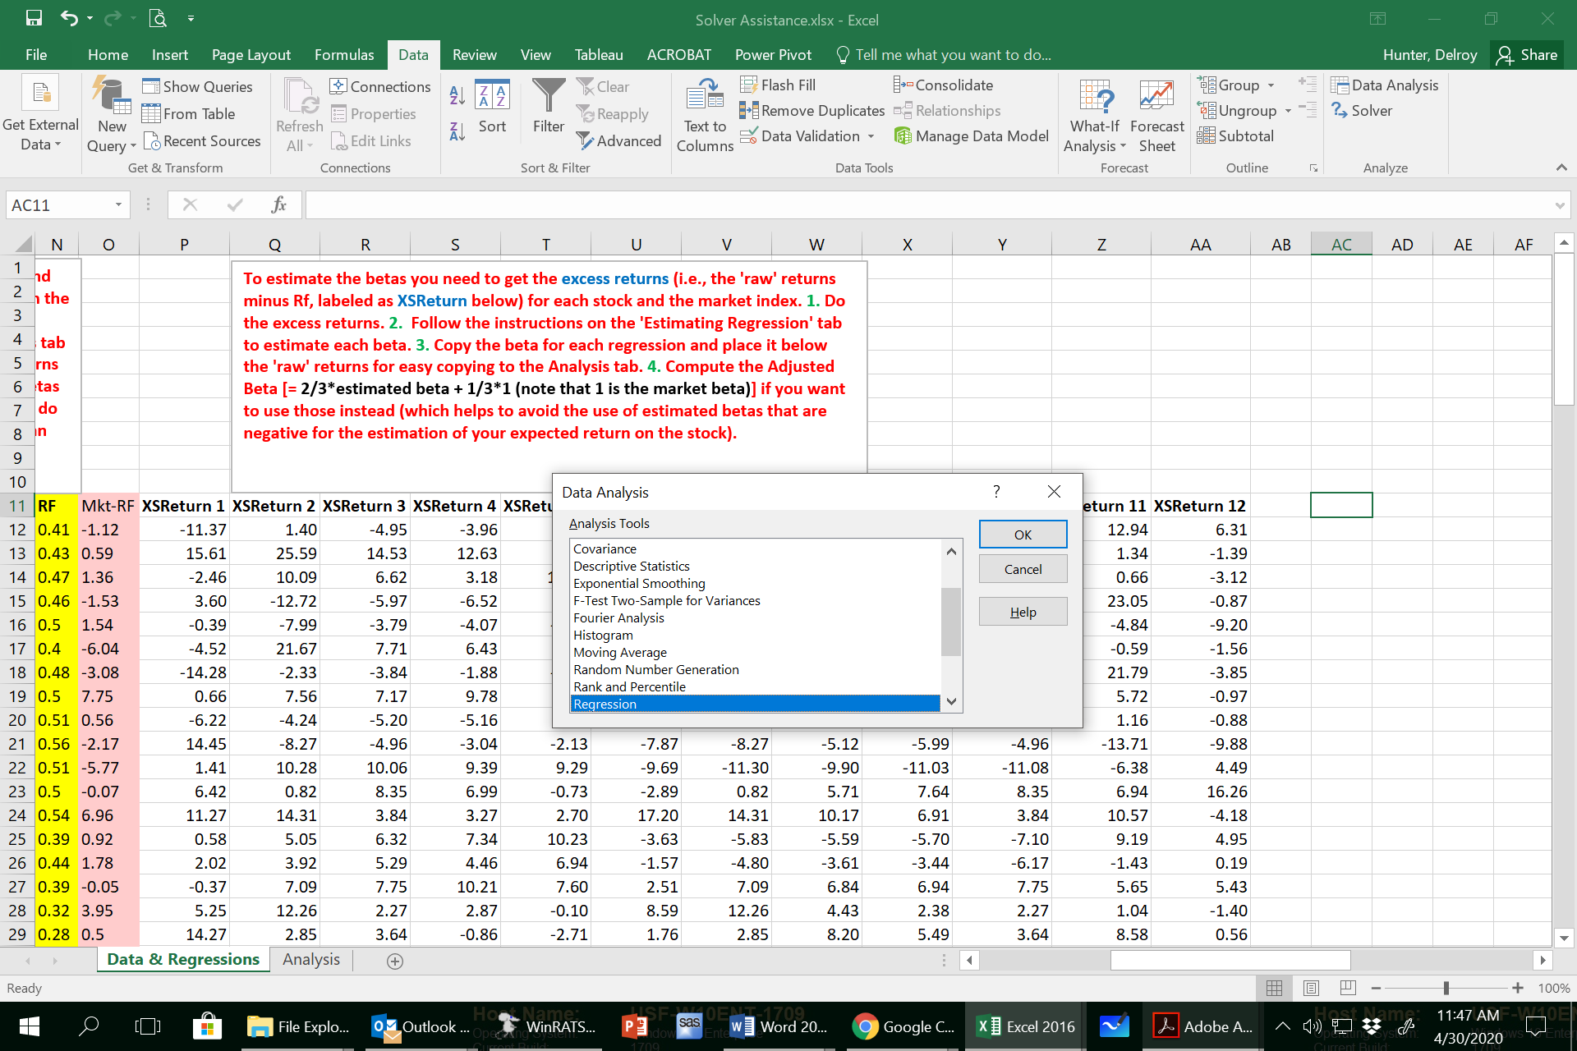
 |  |  |  |  |  |  |  |  |  |  |  |  |  |  |  |  |  |  |  |  |  |  |  |  |  |  | 42 | 3.16 | 0.91
Note that only the first beta and adjusted beta are estimated. For the others the numbers are just arbitrarily chosen to be able to complete this example. You need to estimate all betas.
 |  |  |  |  |  |  |  |  |  |  |  |  |  |  |  |  |  |  |  |  |  |  |  |  |  |  | 43 | 2.35 | 3.42
 |  |  |  |  |  |  |  |  |  |  |  |  |  |  |  |  |  |  |  |  |  |  |  |  |  |  | 44 | 0.48 | 5.06
 |  |  |  |  |  |  |  |  |  |  |  |  |  |  |  |  |  |  |  |  |  |  |  |  |  |  | 45 | 2.74 | 2.90
 |  |  |  |  |  |  |  |  |  |  |  |  |  |  |  |  |  |  |  |  |  |  |  |  |  |  | 46 | 0.03 | 5.52
 |  |  |  |  |  |  |  |  |  |  |  |  |  |  |  |  |  |  |  |  |  |  |  |  |  |  | 47 | 4.36 | 0.06
 |  |  |  |  |  |  |  |  |  |  |  |  |  |  |  |  |  |  |  |  |  |  |  |  |  |  | 48 | 3.15 | -1.72
 |  |  |  |  |  |  |  |  |  |  |  |  |  |  |  |  |  |  |  |  |  |  |  |  |  |  | 49 | 2.60 | 7.94
 |  |  |  |  |  |  |  |  |  |  |  |  |  |  |  |  |  |  |  |  |  |  |  |  |  |  | 50 | 3.29 | -2.90
 |  |  |  |  |  |  |  |  |  |  |  |  |  |  |  |  |  |  |  |  |  |  |  |  |  |  | 51 | 0.66 | -5.25
 |  |  |  |  |  |  |  |  |  |  |  |  |  |  |  |  |  |  |  |  |  |  |  |  |  |  | 52 | 4.00 | -6.08
 |  |  |  |  |  |  |  |  |  |  |  |  |  |  |  |  |  |  |  |  |  |  |  |  |  |  | 53 | 2.62 | 3.12
 |  |  |  |  |  |  |  |  |  |  |  |  |  |  |  |  |  |  |  |  |  |  |  |  |  |  | 54 | 1.71 | -0.82
 |  |  |  |  |  |  |  |  |  |  |  |  |  |  |  |  |  |  |  |  |  |  |  |  |  |  | 55 | 2.68 | -3.18
 |  |  |  |  |  |  |  |  |  |  |  |  |  |  |  |  |  |  |  |  |  |  |  |  |  |  | 56 | 2.83 | -1.93
 |  |  |  |  |  |  |  |  |  |  |  |  |  |  |  |  |  |  |  |  |  |  |  |  |  |  | 57 | 3.26 | -2.02
 |  |  |  |  |  |  |  |  |  |  |  |  |  |  |  |  |  |  |  |  |  |  |  |  |  |  | 58 | 3.00 | -6.56
 |  |  |  |  |  |  |  |  |  |  |  |  |  |  |  |  |  |  |  |  |  |  |  |  |  |  | 59 | 2.30 | -0.78
 |  |  |  |  |  |  |  |  |  |  |  |  |  |  |  |  |  |  |  |  |  |  |  |  |  |  | 60 | 0.37 | 2.60
 |  |  |  |  |  |  |  |  |  |  |  |  |  |  |  |  |  |  |  |  |  |  |  |  |  |  |  | Mean of residuals | 0.00
 |  |  |  |  |  |  |  |  |  |  |  |  |  |  |  |  |  |  |  |  |  |  |  |  |  |  |  | Firm-specific risk (sei) | 6.05

Tab 2 Solver Analyses
Below is a fully worked portfolio optimization using Excel Solver. Note that the estimated expected return and other measures are based on a 1-month ahead projection.
At the bottom is a brief explanation of matrix multiplication (MMULT), which underlies the optimization process given that we have several (a matrix of) stock returns.

Get these 'inputs': One-month risk-free return and expected market return (from survey), both for next month, which is the period for which you are estimating the portfolio's expected performance.
Get these 'outputs' using STEPS 1 to 7 in that order
-1. Beta (or adjusted beta) from prior regressions -2. Covariance matrix from raw returns (see below) -3. Std is square root of diagonals from covariance matrix (see function to copy them below)
-4. E(r_{i}) = rf +Beta×E(r_{m})-r_{f} -5. SR = [E(r_{i})-r_{f}]/Std -6. Weights insert initial amounts that sum to 1 (0.0833 for 12 stocks), Solver will change the weights for each objective
-7. Follow the instructions "Setting up Solver" to get the 'Solver Output' in the box below
We use monthly returns in our estimation, so E(r), Std, and SR are monthly values, not annual values. The 'monthly' betas are the same as 'annual' betas. We can get annualized E(R), Std, and SR from our estimates...
This note is to explain "Setting up Solver" below
1. Gxx:Gyy - cell range with expected returns 2. Hxx:Hyy - cell range with Sharpe ratio 3. Ixx:Iyy - cell range with weights 4. Exx:Pzz - cell range for covariance matrix (note that the range is a matrix and not a column or row)
 | rf | E(rm) | E(rm)-rf | Betai | Stdi | E(ri) | SRi | Weights |  |  |  |  | IMPORTANT! To activate these three array formulae below you must use CTRL+SHIFT+ENTER [not just Enter]
 | 0.12 | 0.47 | 0.35
 |  |  |  |  |  |  |  |  |  | Solver Output
Stock 1 |  |  |  | 0.24 | 6.73 | 0.20 | 0.01 | 0.0833 |  | E[rp] | 0.65
Setting up Solver [see screenshot below]
1. Fill out the weights in the Weights column using 1/12 for each weight as your starting weights (to create an equally weighted portfolio)
2. Insert the formulae for computing the portfolio's E(r_{p}), σ_{p}, and SR_{p}, using matrix multiplication [MMULT]:
E(r_{p}) =MMULT(TRANSPOSE(Ixx:Iyy),Gxx:Gyy) in the cell where the weighted average expected return will be
σ_{p} =SQRT(MMULT(TRANSPOSE(Ixx:Iyy),MMULT(Exx:Pzz,Ixx:Iyy))) into the cell where the std deviation of the portfolio will be
SR_{p}= (E(r_{p}) - r_{f} ) / σ_{p} in the cell where the portfolio's Sharpe ratio will be reported
Press CTRL+SHIFT+ENTER after each formula to activate it
3. Place the cursor in the cell next to E[rp] (and later do same for SD[rp] and SR[rp])
4. Click the Data tab
5. Choose Solver [You might need to click "file, options, Add-ins, Solver add-in, go" to activate Solver in Excel if not used before]
6. In the space for "Set Objective" in Solver ensure you have the cell address of the cursor, e.g., the cell beside the E[r]
7. In the space for "To" in Solver, set the Objective to, e.g., "Maximize" - if objective is to maximize expected returns
8. In the space for "Subject to the Constraints" in Solver [typically need to 1) impose a positive weight on each of the stock in the portfolio, and 2) the weights must add to 1. The second is necessary; the first is not becuase weights can be negative to allow shortsales]
9. In space for "By Changing Variable Cells" insert the cells with the weights by clciking and pulling down cells containing the weights [you can use "Add", "Change", or "Delete" to set different restrictions
10. Hit "Solve" to get expected return, standard deviation, and Sharpe ratio of the portfolio in the next month, given the specific objective you set
11. You shoud then set a different objective in the other cells to achieve results suitable for a different client
Stock 2 |  |  |  | 2.10 | 8.37 | 0.86 | 0.09 | 0.0833 |  | SD[rp] | 4.75
Stock 3 |  |  |  | 0.75 | 6.44 | 0.38 | 0.04 | 0.0833 |  | SR[p] | 0.11
Stock 4 |  |  |  | 0.95 | 5.97 | 0.45 | 0.06 | 0.0833
Stock 5 |  |  |  | 1.21 | 4.91 | 0.54 | 0.09 | 0.0833
Stock 6 |  |  |  | 1.45 | 8.24 | 0.63 | 0.06 | 0.0833
Stock 7 |  |  |  | 2.35 | 8.37 | 0.94 | 0.10 | 0.0833
Stock 8 |  |  |  | 2.67 | 7.18 | 1.05 | 0.13 | 0.0833
Stock 9 |  |  |  | 1.58 | 6.77 | 0.67 | 0.08 | 0.0833
Stock 10 |  |  |  | 0.67 | 6.43 | 0.35 | 0.04 | 0.0833
Stock 11 |  |  |  | 1.35 | 8.75 | 0.59 | 0.05 | 0.0833
Stock 12 |  |  |  | 2.81 | 6.96 | 1.10 | 0.14 | 0.0833
 |  |  |  |  |  |  | Sum | 1.00
To paste Betas: block and copy all betas if you have them in a row below the returns and then pull down paste, paste special, values & transpose. Or do 'Data & Regressions'!xxxx, where xxxxx is the cell containing the beta or adjusted beta until the 12 cells are filled.

To compute the covariance matrix of all possible pairs of covariances between the 12 stocks:
1. Place the cursor where the 12x12 matrix will start. 2. Press CTRL and drag to block a 12x12 space. 3. Insert this formula into ONLY the first cell of this 12x12 space: MMULT(TRANSPOSE('Data & Regressions'!C12:N71-B56:M56),('Data & Regressions'!C12:N71-B56:M56))/59.
'black' is the array where your 12 colums of stock returns are stored
'orange' is where the average returns are stored
'blue' is the number of returns less 1, n-1
4. Press CTRL+SHIFT+ENTER to fill out the entire 12x12 matrix with all elements of the covariance. Note the VARIANCES are on the diagonal
Cov (R1, R2) = (here R1 is "raw" return, not excess return; R_bar is the average return)
 |  |  | IMPORTANT! To activate the array formulae used to obtain the COVARIANCE MATRIX you must use CTRL+SHIFT+ENTER (not just Enter)
 |  |  |  |  | Estimated Covariance Matrix
 |  |  |  | 45.30 | 20.82 | 17.29 | 15.72 | 7.96 | 15.60 | 13.64 | 14.23 | 14.40 | 13.33 | 3.18 | -2.19
 |  |  |  | 20.82 | 70.14 | 47.31 | 42.79 | 20.11 | 43.11 | 41.41 | 31.98 | 25.36 | 23.18 | 15.55 | 4.17
 |  |  |  | 17.29 | 47.31 | 41.44 | 36.55 | 16.17 | 22.64 | 22.38 | 20.11 | 17.65 | 17.59 | 13.98 | 7.98
 |  |  |  | 15.72 | 42.79 | 36.55 | 35.65 | 14.47 | 21.29 | 21.19 | 18.87 | 16.81 | 16.84 | 14.26 | 6.73
 |  |  |  | 7.96 | 20.11 | 16.17 | 14.47 | 24.10 | 2.15 | 1.57 | 0.90 | -0.46 | -0.71 | 12.61 | 8.40
 |  |  |  | 15.60 | 43.11 | 22.64 | 21.29 | 2.15 | 67.96 | 64.99 | 52.54 | 45.99 | 41.61 | 6.44 | -3.06
 |  |  |  | 13.64 | 41.41 | 22.38 | 21.19 | 1.57 | 64.99 | 70.14 | 57.38 | 52.16 | 48.07 | 5.22 | -0.18
 |  |  |  | 14.23 | 31.98 | 20.11 | 18.87 | 0.90 | 52.54 | 57.38 | 51.53 | 47.46 | 44.09 | 6.34 | 1.58
Once you get the covariance matrix, use the square root of the diagonal elements as the standard deviations that you need in F5:F14. Type sqrt(INDEX(E24:P24,,ROWS($1:1))) in the first cell where you will report the firm's Std [cell Fxx] and copy and fill the other cells in that column.
 |  |  |  | 14.40 | 25.36 | 17.65 | 16.81 | -0.46 | 45.99 | 52.16 | 47.46 | 45.80 | 42.81 | 5.16 | 1.94
 |  |  |  | 13.33 | 23.18 | 17.59 | 16.84 | -0.71 | 41.61 | 48.07 | 44.09 | 42.81 | 41.40 | 6.71 | 3.34
 |  |  |  | 3.18 | 15.55 | 13.98 | 14.26 | 12.61 | 6.44 | 5.22 | 6.34 | 5.16 | 6.71 | 76.58 | 25.74
 |  |  |  | -2.19 | 4.17 | 7.98 | 6.73 | 8.40 | -3.06 | -0.18 | 1.58 | 1.94 | 3.34 | 25.74 | 48.42

Note that the estimation of the correlation matrix is not a part of the portfolio optimization that has been done on this tab using Solver. However, it is an impotant part of describing the portfolio to the client.
 |  |  |  |  |  | Estimated Correlation Matrix
 |  |  |  |  | Asset 1 | Asset 2 | Asset 3 | Asset 4 | Asset 5 | Asset 6 | Asset 7 | Asset 8 | Asset 9 | Asset 10 | Asset 11 | Asset 12 | How to use the "Correlation" function to compute a correlation matrix
 |  |  |  | Asset 1 | 1.00 |  |  |  |  |  |  |  |  |  |  |  | 1. Under the "Data" tab, click on "Data Analysis"
 |  |  |  | Asset 2 | 0.23 | 1.00 |  |  |  |  |  |  |  |  |  |  | 2. Choose "Correlation" and click "OK"
 |  |  |  | Asset 3 | 0.26 | 0.85 | 1.00 |  |  |  |  |  |  |  |  |  | 3. In "Input Range" block the data for the correlation matrix, including the data labels
 |  |  |  | Asset 4 | 0.27 | 0.82 | 0.94 | 1.00 |  |  |  |  |  |  |  |  | 4. Tick "Labels in first row"
 |  |  |  | Asset 5 | 0.01 | 0.32 | 0.34 | 0.34 | 1.00 |  |  |  |  |  |  |  | 5. Block an area for the output of the correlation matrix (or leave it blank and the results output in a new worksheet)
 |  |  |  | Asset 6 | 0.21 | 0.60 | 0.37 | 0.38 | -0.10 | 1.00
 |  |  |  | Asset 7 | 0.20 | 0.59 | 0.39 | 0.40 | -0.07 | 0.94 | 1.00
 |  |  |  | Asset 8 | 0.26 | 0.52 | 0.42 | 0.42 | -0.08 | 0.89 | 0.95 | 1.00
 |  |  |  | Asset 9 | 0.30 | 0.44 | 0.40 | 0.41 | -0.10 | 0.82 | 0.92 | 0.98 | 1.00
 |  |  |  | Asset 10 | 0.29 | 0.43 | 0.43 | 0.44 | -0.10 | 0.79 | 0.89 | 0.96 | 0.98 | 1.00
 |  |  |  | Asset 11 | -0.11 | 0.06 | 0.10 | 0.14 | 0.12 | 0.01 | 0.01 | 0.05 | 0.05 | 0.09 | 1.00
 |  |  |  | Asset 12 | -0.05 | 0.08 | 0.20 | 0.18 | 0.30 | -0.05 | 0.00 | 0.03 | 0.04 | 0.08 | 0.45 | 1.00
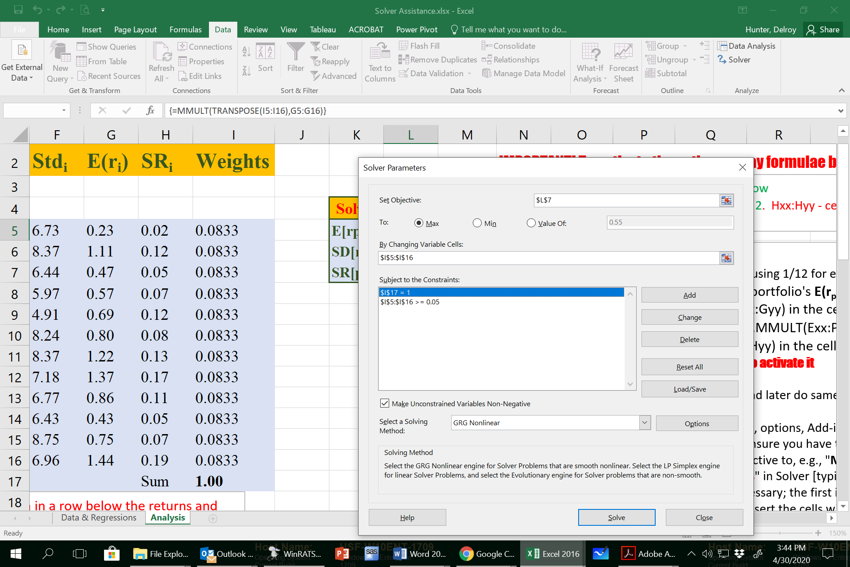

 |  |  |  |  |  | Matrix multiplication for the expected return on a 3-stock portfolio
 |  |  |  |  |  |  |  |  |  | Covariance Matrix Sij
 |  |  |  |  |  | E(ri) | wi |  |  | r1 | r2 | r3
 |  |  |  |  |  | 23.00 | 0.50 |  | r1 | 16.00 | 47.00 | 53.00
 |  |  |  |  |  | 13.00 | 0.30 |  | r2 | 47.00 | 22.00 | 32.00
 |  |  |  |  |  | -7.00 | 0.20 |  | r3 | 53.00 | 32.00 | 19.00 | <== brown highlights are variances
 |  | row ´ column matrix dimension ==> |  |  |  | (3´1) | (3´1)

 |  |  |  |  |  |  |  |  | E(ri)
 | Transpose Wi from column to row vector ==> |  |  |  | wi¢ | 0.50 | 0.30 | 0.20 | 23.00
 |  |  |  |  |  |  |  |  | 13.00
 |  |  |  |  |  |  |  |  | -7.00
 | row ´ column matrix suitable for multiplication ==> |  |  |  |  | (1´3) |  |  | (3´1)

 |  |  |  |  | E(rp) = wi¢E(ri)
 |  |  |  |  | E(rp) | 14.00 | <== usual matrix multiplication to estimate portfolio expected return
 |  |  |  |  | E(rp) | 14.00 | <== matrix multiplication using MMULT and CTRL+SHIFT+ENTER to estimate portfolio expected return

 |  |  |  |  |  |  |  |  | Sij |  |  | wi
 | Transpose Wi from column to row vector ==> |  |  |  | wi¢ | 0.50 | 0.30 | 0.20 | 16.00 | 47.00 | 53.00 | 0.50
 |  |  |  |  |  |  |  |  | 47.00 | 22.00 | 32.00 | 0.30
 |  |  |  |  |  |  |  |  | 53.00 | 32.00 | 19.00 | 0.20
 | row ´ column matrix suitable for multiplication ==> |  |  |  |  | (1´3) |  |  |  | (3´3) |  | (3´1)

 |  |  |  |  | sp=wi¢Sijwi
 |  |  |  |  | sp | 5.94 | <== matrix multiplication using MMULT and CTRL+SHIFT+ENTER to estimate portfolio standard deviation

